Instructions
Provincial Wage Enhancement Application Instructions - Child Care Centre & Home Visitors (2015)

The purpose of these instructions is to support operators in completing their wage enhancement application. If you have any questions related to your application please contact [insert CMSM/DSSAB contact information]. Wage enhancement applications must be submitted no later than June 30, 2015 in order to be considered for wage enhancement funds. Applications submitted after June 30, 2015 will not be accepted.

You are only required to enter data in the green cells similar to this one. All other calculations will be performed autormatically.

STEP 1: DETERMINE ELIGIBILITY
In order to successfully complete your wage enhancement application you must determine which of the positions in your licensed child care centre / agency are eligible for the enhancement.

Licensed child care centre positions are eligible for a full wage enhancement of $1 per hour plus 17.5% for statutory benefits if:
• The position can be counted toward adult to child ratios under the Day Nurseries Act (DNA) this includes:
o Registered Early Childhood Educators;
o Program Staff;
o Supervisors; and
o Other staff positions that are required to spend a minimum of 25% of the day in a position that can be counted toward ratio (this can include cooks, etc.).
• As of October 31, 2014 the position has an associated wage rate of $25.27 per hour or less.

Licensed child care centre / agency positions are eligible for a partial wage enhancement of less than $1 per hour plus 17.5% for statutory benefits if:
• The position is one of the 4 categories listed under the full wage enhancement eligiblity above; and
• As of October 31, 2014 the position has an associated wage rate that is between $25.28 per hour and $26.26 per hour inclusive.

These positions include permanent, full-time, part-time, contract and supply positions.

Now that you have determined which of the positions in your licensed child care centre / agency qualify for the wage enhancement you can begin completing the form.

STEP 2: ENTER CENTRE INFORMATION
Open the wage enhancement application form in excel and complete the centre / agency information shown below as well as a contact person who is able to answer
questions in regards to the application form being submitted.

STEP 3: CHILD CARE CENTRE / AGENCY OPERATING INFORMATION
Using the drop-down menu shown below, please indicate if the centre / agency opened before or after January 1, 2014.

If you answered "yes", please leave the next line blank which reads "If no, first full month it operated in 2014". Otherwise, an error message will appear
as follows:

If the child care centre / agency opened after January 1, 2014, please select "No", and proceed to the next line and enter the nearest full month it opened in 2014.
For example, if the centre opened on May 15th please select "June". If the centre opened after October 31, 2014, it is not eligible for the 2015 wage enhancement.

If you fail to select a month, an error message will appear on the application form, as follows:

Once you've entered the information above your centre's / agency's annualization rate will be calculated for you.

Next, proceed to entering the standard work week for centre staff in 2014, total operating capacity and total licensed capacity.
For child care agencies, the operating capacity and licensed capacity fileds should remain blank.

Now that you have completed information regarding your centre / agency, move to Step 4, where you will begin entering employee information.

STEP 4: EMPLOYEE INFORMATION
Enter the following information for the eligible positions in the licensed child care centre:
• Position description = this field should contain sufficient information to allow you to provide additional information to the CMSM/DSSAB should it be requested
• Category = from the drop-down listing, please select from the eligible staff categories of RECE, Non-RECE, or Supervisor
• Hourly wage = Houlry wage paid to the employees on an hourly basis as of October 31, 2014. If the employee is on an annual salary, take the annual salary
divided by the standard hours of work per year.
• # of hours worked = this field should include all hours worked between January 1, 2014 and October 31, 2014, excluding overtime and vacation time.
Please refer to the table to the right, which illustrates the number of working days (excluding weekends) in each month from January to October 2014 = 213 days
For example, if an individual worked 8 hours per day from Jan 1 to October 31, had 10 vacation days and 2 sick days, the total number of hours worked would be
as follows: 213 (total in period) - 10 (vacation) - 2 (sick) = 201 days * 8 hours per day = 1,608 hours.
If your centre was open prior to January 1 2014, but expanded its program prior to October 31, 2014 (e.g. opened a new school-age room in September 2014) please use the calculator below to pro-rate the hours for the staff in the new room(s).
• % of Time in Eligible Position = If the individual works in an eligible position all the time, please enter 100%. If an individual works as a cook for 70% of the time
and works as an Non-RECE for 30% of the time, please report 30%. Alternatively, should you choose to enter only the hours related to the eligible position in the
field "# of hours worked", then please select 100% - as the hours being reported represent 100% of the time in the eligible position.
Please note that the individual must work at least 25% of the day in a position that can be counted toward adult to child ratio.
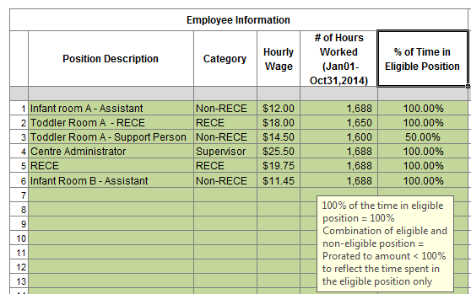

Please note that definitions of each category will appear if you click on the column heading.

Child care centre program expansion calculator (Expansions prior to October 31, 2014)

In the calculator tool below, please enter data in the following 3 green cells: • Indicate whether the room opened prior to January 1, 2014 - Yes or No • Indicate the first full month when the room was operating (between January and October, 2014) • Indicate the number of hours worked in the new room up to October 31, 2014

 |  |  | (Sample Only)
 | Calculator |  |  | Calculator
Room opened prior to January 1, 2014? |  | No | Room opened prior to January 1, 2014? |  | No
Month room opened |  |  | Month room opened |  | Mar
Annualization (conversion to full year) |  | #N/A | Annualization (conversion to full year) |  | 150%
Total hours worked |  |  | Total hours worked |  | 350
Annualized hours worked |  | #N/A | Annualized hours worked |  | 525

Once the calculator has generated the pro-rated hours worked, please insert the annualized hours worked in the application template.

Once you’ve entered the information above the application template will generate the following information:
• Eligibility status = partial or full, depending on hourly rate
• Eligibility rate = up to $1.00
• Annual Funded FTE = could be higher than 1.0 if the hours worked exceeds the equivalent of 7.25 * 213 days or = 1,544.25 hours
• Annualized salary component of the enhancement = up to $1.00 per hour for all hours worked excluding overtime
• Annualized benefit component of the enhancement = up to $0.175 per hour for all hours worked excluding overtime
• Total compensation = maximum wage enhancement entitlement

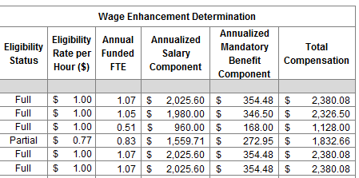

In addition, at the bottom of the application form, you will find a summary of the centre’s eligible positions and the total funding you are applying for in regards to
salaries and benefits, pending approval.

STEP 5: CERTIFICATION
Please complete the certification staing that the information you have included in the application is accurate by checking the box shown below and completing
your signing authority's information. Submit the completed application to [insert CMSM/DSSAB information].

The information that you have provided is subject to review by the CMSM/DSSAB prior to/or after granting the wage enhancement funding to the centre.
The CMSM/DSSAB will communicate the approval amount through returning the application form with the bottom portion of the form completed.

